Sheet1
No | Item Number | Market | Title | Price | Available | Sold | Vehicle W/o Engine | Vehicle W/ Engine | Picture | Url
1 | 253139036562 | US | A/C Compressor Fits 2001 2002 2003-2007 Dodge Chrysler Town &amp; Country 3.3L 3.8L | US $106.01 | Last one | 61 sold | Chrysler Town & Country 2001-2007 Chrysler Voyager 2001-2003 Dodge Caravan 2001-2007 Dodge Grand Caravan 2002-2007 | Chrysler Town & Country 2001-2003 3.3L 3301CC 201Cu. In. V6 FLEX OHV Naturally Aspirated Chrysler Town & Country 2001-2007 3.3L 3301CC 201Cu. In. V6 GAS OHV Naturally Aspirated Chrysler Town & Country 2001-2007 3.8L 3778CC 231Cu. In. V6 GAS OHV Naturally Aspirated Chrysler Voyager 2001-2002 2.4L 2429CC 148Cu. In. l4 GAS DOHC Naturally Aspirated Chrysler Voyager 2001-2003 3.3L 3301CC 201Cu. In. V6 FLEX OHV Naturally Aspirated Chrysler Voyager 2001-2003 3.3L 3301CC 201Cu. In. V6 GAS OHV Naturally Aspirated Dodge Caravan 2001-2007 3.3L 3301CC 201Cu. In. V6 FLEX OHV Naturally Aspirated Dodge Caravan 2001-2007 3.3L 3301CC 201Cu. In. V6 GAS OHV Naturally Aspirated Dodge Grand Caravan 2002-2007 3.3L 3301CC 201Cu. In. V6 FLEX OHV Naturally Aspirated Dodge Grand Caravan 2002-2007 3.3L 3301CC 201Cu. In. V6 GAS OHV Naturally Aspirated Dodge Grand Caravan 2002-2007 3.8L 3778CC 231Cu. In. V6 GAS OHV Naturally Aspirated | 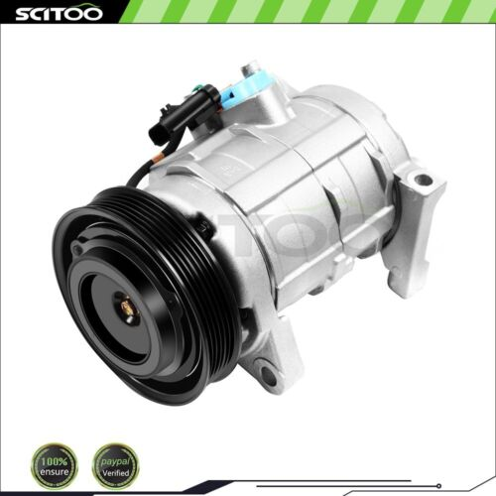 | https://www.ebay.com/itm/253139036562?_ul=US&_stpos=91710&orig_cvip=true
2 | 255922672592 | US | A/C AC Compressor W/Clutch For 2001-2007 Ford Taurus 2001-2005 Mercury Sable 3.0 | US $99.70/ea | 5 available | 4 sold | Ford Taurus 2001-2007 Mercury Sable 2001-2005 | Ford Taurus 2001-2005 3.0L 2968CC 181Cu. In. V6 GAS DOHC Naturally Aspirated Ford Taurus 2001-2006 3.0L 2986CC 182Cu. In. V6 FLEX OHV Naturally Aspirated Ford Taurus 2001-2007 3.0L 2986CC 182Cu. In. V6 GAS OHV Naturally Aspirated Mercury Sable 2001-2005 3.0L 2968CC 181Cu. In. V6 GAS DOHC Naturally Aspirated Mercury Sable 2001-2005 3.0L 2986CC 182Cu. In. V6 FLEX OHV Naturally Aspirated Mercury Sable 2001-2005 3.0L 2986CC 182Cu. In. V6 GAS OHV Naturally Aspirated | 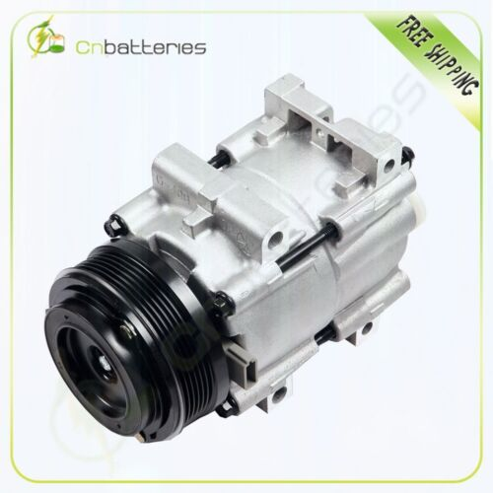 | https://www.ebay.com/itm/255922672592?_ul=US&_stpos=91710&orig_cvip=true
3 | 235653299500 | US | AC A/C Compressor for Chevrolet Malibu 3.5L 2004-2006 Pontiac G6 3.5L 2005-2006 | US $106.83/ea | More than 10 available | 4 sold | Chevrolet Malibu 2004-2006 Pontiac G6 2005-2006 | Chevrolet Malibu 2004-2006 3.5L 213Cu. In. V6 GAS OHV Naturally Aspirated Chevrolet Malibu 2006 3.5L 3498CC 213Cu. In. V6 GAS OHV Naturally Aspirated Pontiac G6 2005-2006 3.5L 3498CC 213Cu. In. V6 GAS OHV Naturally Aspirated | 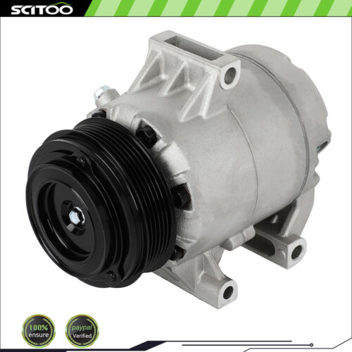 | https://www.ebay.com/itm/235653299500?_ul=US&_stpos=91710&orig_cvip=true
4 | 255586148611 | US | A/C AC Compressor W/Clutch For Honda CR-V CRV 2002-2005 2006 2.4L 10663AC | US $118.54 | More than 10 available | 110 sold | Honda CR-V 2002-2006 | Honda CR-V 2002-2006 2.4L 2354CC 144Cu. In. l4 GAS DOHC Naturally Aspirated | 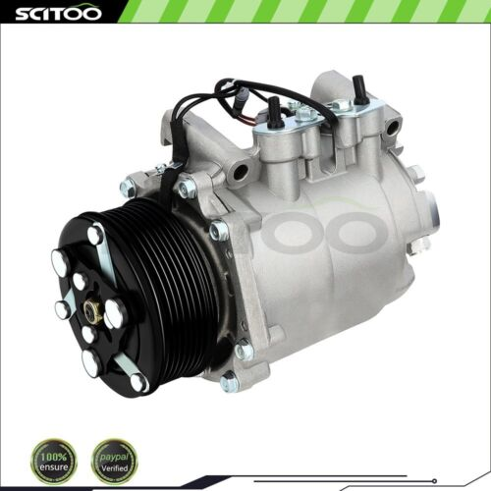 | https://www.ebay.com/itm/255586148611?_ul=US&_stpos=91710&orig_cvip=true
5 | 233621258535 | US | A/C Compressor Fits 90-05 Honda Civic 90-01 Acura Integra 1.7L 1.8L | US $111.33/ea | More than 10 available | 77 sold | Acura EL 1997-2000 Acura Integra 1990-2001 Acura NSX 1991-2005 Honda Civic 1999-2000 | Acura EL 1997-2000 1.6L 1590CC 97Cu. In. l4 GAS Naturally Aspirated Acura Integra 1990-2001 1.8L 1834CC l4 GAS DOHC Naturally Aspirated Acura Integra 1992-1993 1.7L 1678CC l4 GAS DOHC Naturally Aspirated Acura Integra 1994-2001 1.8L 1797CC l4 GAS DOHC Naturally Aspirated Acura NSX 1991-2005 3.0L 2977CC V6 GAS DOHC Naturally Aspirated Acura NSX 1997-2005 3.2L 3179CC V6 GAS DOHC Naturally Aspirated Honda Civic 1999-2000 1.6L 1588CC 98Cu. In. l4 CNG SOHC Naturally Aspirated Honda Civic 1999-2000 1.6L 1588CC 98Cu. In. l4 GAS SOHC Naturally Aspirated Honda Civic 1999-2000 1.6L 1590CC l4 GAS SOHC Naturally Aspirated Honda Civic 1999-2000 1.6L 1595CC l4 GAS DOHC Naturally Aspirated | 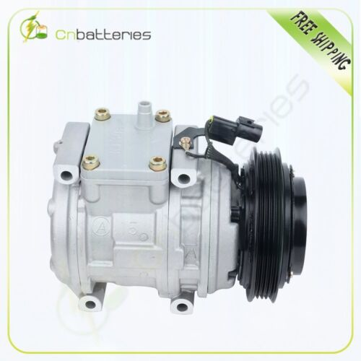 | https://www.ebay.com/itm/233621258535?_ul=US&_stpos=91710&orig_cvip=true
6 | 332388018897 | US | For 2006-2012 Mitsubishi Eclipse 2.4L Endeavor Galant 3.8L A/C AC Compressor | US $114.58/ea | 10 available | 32 sold | Mitsubishi Eclipse 2006-2012 Mitsubishi Endeavor 2004-2011 Mitsubishi Galant 2005-2009 | Mitsubishi Eclipse 2006-2012 3.8L 3828CC 230Cu. In. V6 GAS SOHC Naturally Aspirated Mitsubishi Eclipse 2012 2.4L 2378CC l4 GAS SOHC Naturally Aspirated Mitsubishi Endeavor 2004 3.8L 3797CC 230Cu. In. V6 GAS SOHC Naturally Aspirated Mitsubishi Endeavor 2004-2011 3.8L 3828CC 230Cu. In. V6 GAS SOHC Naturally Aspirated Mitsubishi Galant 2005-2009 3.8L 3828CC 230Cu. In. V6 GAS SOHC Naturally Aspirated | 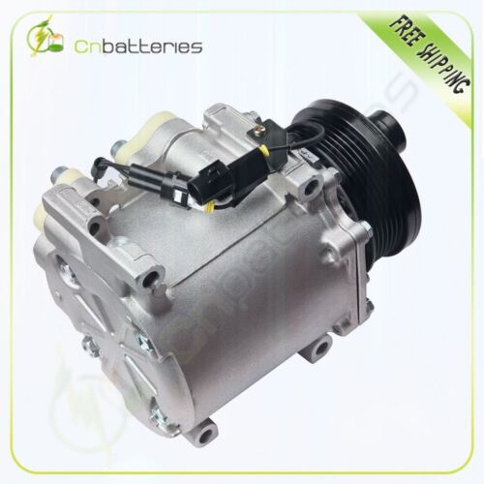 | https://www.ebay.com/itm/332388018897?_ul=US&_stpos=91710&orig_cvip=true
7 | 256421824484 | US | AC A/C Compressor for Acura CL TL 3.2L 2001-2003 for Honda Accord 3.0L 2001-2002 | US $109.99 | 10 available | 5 sold | Acura CL 2001-2003 Acura TL 1999-2003 Honda Accord 2001-2002 | Acura CL 2001-2003 3.2L 3210CC V6 GAS SOHC Naturally Aspirated Acura TL 1999-2003 3.2L 3210CC V6 GAS SOHC Naturally Aspirated Honda Accord 2001-2002 3.0L 2997CC V6 GAS SOHC Naturally Aspirated | 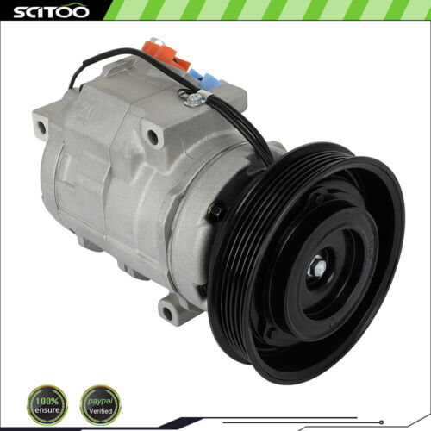 | https://www.ebay.com/itm/256421824484?_ul=US&_stpos=91710&orig_cvip=true
8 | 334041367847 | US | For 10-13 Acura MDX ZDX 09-15 Honda Odyssey Pilot Ridgeline A/C Compressor | US $112.98 | 10 available | 16 sold | Acura MDX 2007-2013 Acura ZDX 2010-2013 Honda Odyssey 2008-2015 Honda Pilot 2009-2015 Honda Ridgeline 2009-2014 | Acura MDX 2007-2013 3.7L 3664CC V6 GAS SOHC Naturally Aspirated Acura ZDX 2010-2013 3.7L 3664CC V6 GAS SOHC Naturally Aspirated Honda Odyssey 2008-2015 3.5L 3471CC V6 GAS SOHC Naturally Aspirated Honda Pilot 2009-2015 3.5L 3471CC V6 GAS SOHC Naturally Aspirated Honda Ridgeline 2009-2014 3.5L 3471CC V6 GAS SOHC Naturally Aspirated | 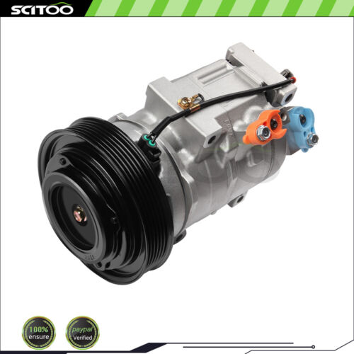 | https://www.ebay.com/itm/334041367847?_ul=US&_stpos=91710&orig_cvip=true
9 | 256102649999 | US | A/C Compressor For 2002-2007 Chrysler Town &amp; Country Dodge Caravan 3.3L 3.8L | US $106.17/ea | 5 available | 35 sold | Chrysler Town & Country 2001-2007 | Chrysler Town & Country 2001-2003 3.3L 3301CC 201Cu. In. V6 FLEX OHV Naturally Aspirated Chrysler Town & Country 2001-2007 3.3L 3301CC 201Cu. In. V6 GAS OHV Naturally Aspirated Chrysler Town & Country 2001-2007 3.8L 3778CC 231Cu. In. V6 GAS OHV Naturally Aspirated |  | https://www.ebay.com/itm/256102649999?_ul=US&_stpos=91710&orig_cvip=true
10 | 256202118103 | US | A/C Compressor For 2007-2015 Honda Civic CR-V Acura ILX RDX 2.3L 2.4L CO 4920AC | US $119.19/ea | 8 available | 7 sold | Acura RDX 2007-2012 Honda CR-V 2010-2014 | Acura RDX 2007-2012 2.3L 2300CC l4 GAS DOHC Turbocharged Honda CR-V 2010-2014 2.4L 2354CC 144Cu. In. l4 GAS DOHC Naturally Aspirated | 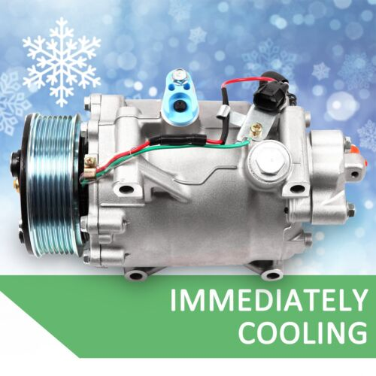 | https://www.ebay.com/itm/256202118103?_ul=US&_stpos=91710&orig_cvip=true

